Sheet1
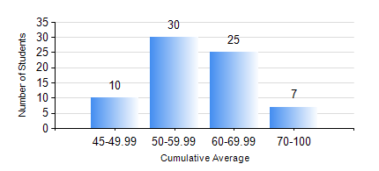
 |  |  | KWAME NKRUMAH UNIVERSITY OF SCIENCE AND TECHNOLOGY, KUMASI Department of Mechanical Engineering

 |  |  | BSC. MARINE ENG.

 |  |  | COMPREHENSIVE RECORD OF EXAMINATION RESULTS

 |  |  | RESULTS OF YEAR 3 SECOND SEMESTER, 2023/2024 ACADEMIC YEAR

 | Sn | Course Code |  | Course Name | Credit Hours | Min. Mark | Max. Mark | Avg. Mark | Std. Dev. | No. Passed | No. Trailed | No. (Df) | No. (I) | No. (I*) | No. Tagged(I,I*,Df) | Total
 | 0. |  |  |  |  |  |  | 0 | 0 | 0 | 0 | 0 | 0 | 0 | 0 | 3
 | 1. | ME 352 |  | FLUID DYNAMICS II | 3 | 40 | 71 | 44 | 6.65 | 69 | 0 | 0 | 0 | 0 | 0 | 69
 | 2. | ME 362 |  | VIBRATIONS I | 3 | 25 | 81 | 53 | 13.17 | 62 | 7 | 0 | 0 | 0 | 0 | 69
 | 3. | ME 366 |  | HEAT TRANSFER | 2 | 30 | 86 | 60 | 12.76 | 68 | 1 | 0 | 0 | 0 | 0 | 69
 | 4. | MME 356 |  | STRENGTH OF MARINE MATERIALS II | 3 | 10 | 76 | 43 | 16.32 | 58 | 11 | 0 | 0 | 0 | 0 | 69
 | 5. | MME 382 |  | NAVAL ARCHITECTURE I | 2 | 26 | 70 | 45 | 10.44 | 61 | 8 | 0 | 0 | 0 | 0 | 69
 | 6. | MME 386 |  | MARINE ELECTRICAL TECHNOLOGY AND ELECTRICAL MEASUREMENTS | 2 | 10 | 80 | 56 | 15.26 | 60 | 9 | 0 | 0 | 0 | 0 | 69
 | 7. | MME 392 |  | MARINE INDUSTRIAL ENGINEERING AND ERGONOMICS | 2 | 23 | 78 | 54 | 10.74 | 68 | 1 | 0 | 0 | 0 | 0 | 69
 | 8. | MME 396 |  | MARINE ENGINEERING LABORATORY III | 1 | 40 | 96 | 68 | 15.88 | 69 | 0 | 0 | 0 | 0 | 0 | 69

